Sheet1
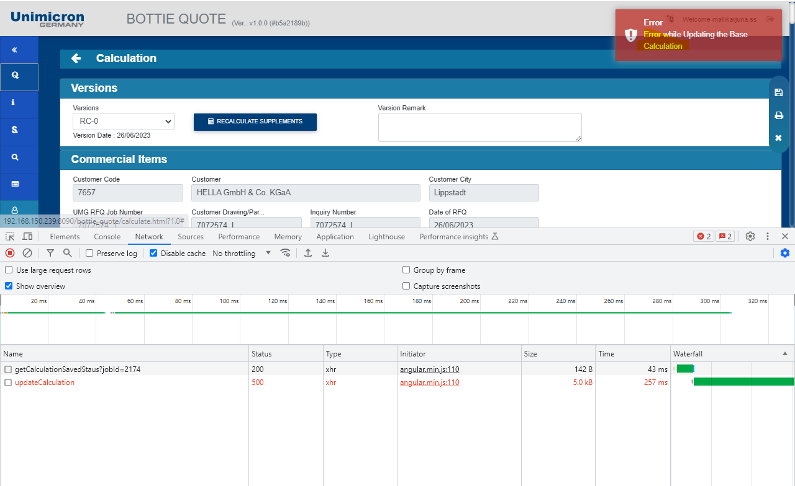
 | job ; 7072574_1 in , local machine |  | Job : 7072574_I in , in test server

 |  | local machine issue | test server

1. Solder maks and solder mask colour

2. pannael surface occupation
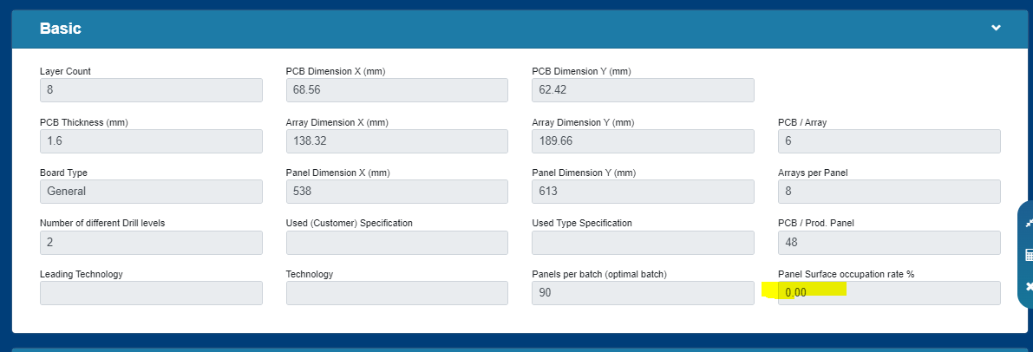

3.material interchanged

4.Satack Up mising
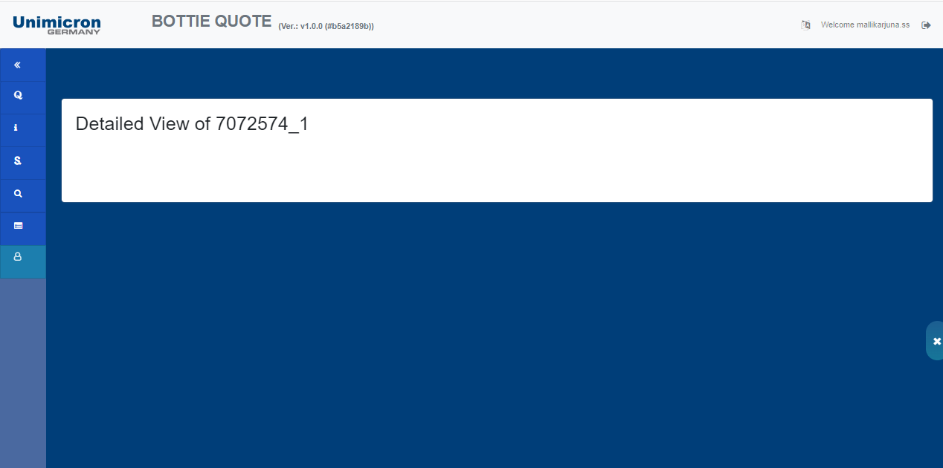
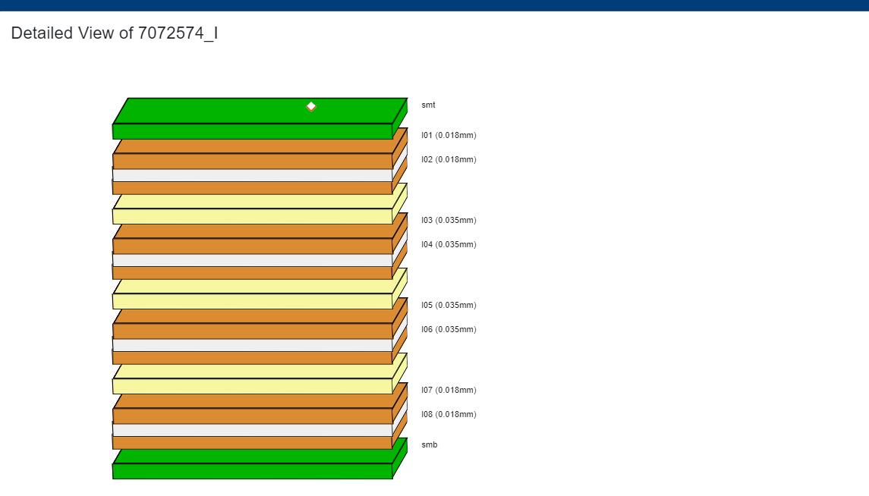

Surface occupation

Font and alignment
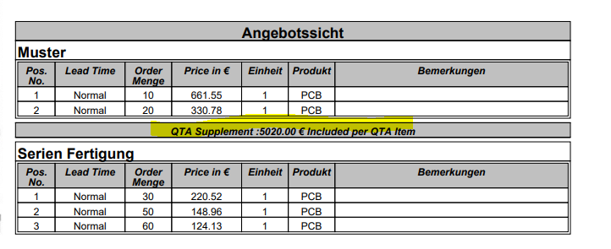

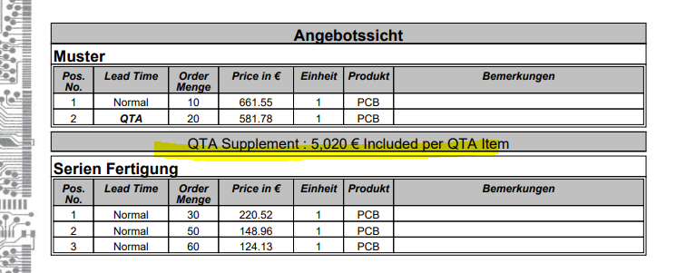

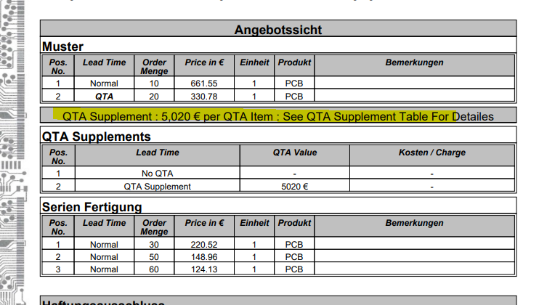
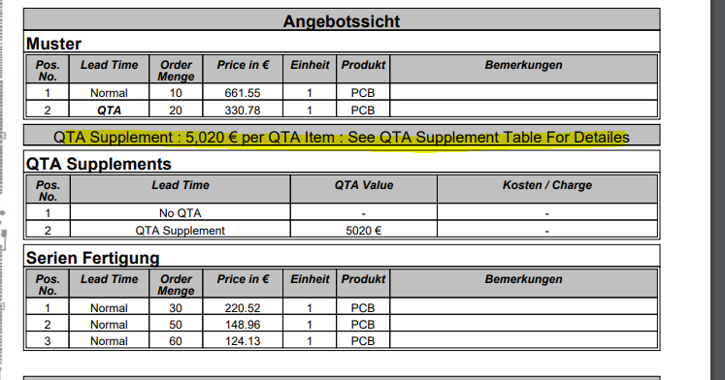

 | unable to update calculation page.------ Blocker

